Transmittal Communication Form
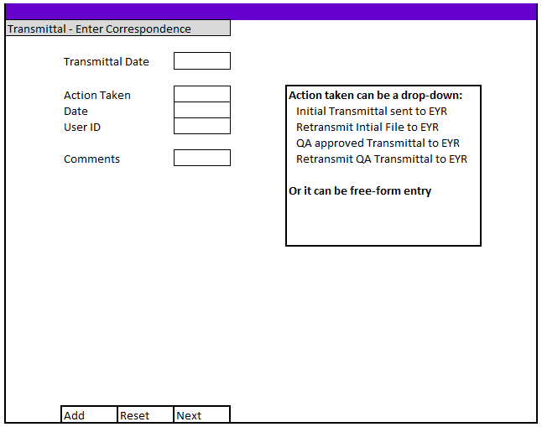

Form to manually log all Transmittal communication Based on the other Transmittal Forms - this will have an entry tab and an update tab

